Pin Hole Layout
ID | Master | Domain (Master) | Point |  |  | Nm1 |  |  | Nm2 |  |  | Dir
 |  |  | X | Y | Z | X | Y | Z | X | Y | Z |  | Comments
1 | 1 | 1 | -380.63 | 19.02 | -221 | 0 | 0 | 1 | 0 | 0 | 0 | XY | Hole 1 Part 1
2 | 2 | 2 | -380.63 | 19.02 | -194.9 | 0 | 0 | 1 | 0 | 0 | 0 | XY | Hole 1 Part 2
3 | 1 | 1 | -450.71 | 19.02 | -223.94 | 0 | 0 | 1 | 0 | 0 | 0 | XY | Hole 2 Part 1 (Used as slot)
4 | 2 | 2 | -450.71 | 19.02 | -194.9 | 0 | 0 | 1 | 0 | 0 | 0 | XY | Hole 2 Part 2 (Used as slot)
5 | 3 | 3 | -435.54 | 81.37 | -34.94 | 0 | 1 | 0 | 0 | 0 | 0 | XZ
6 | 4 | 4 | 121.17 | 123.43 | -67.86 | 0 | 1 | 0 | 0 | 0 | 0 | XZ

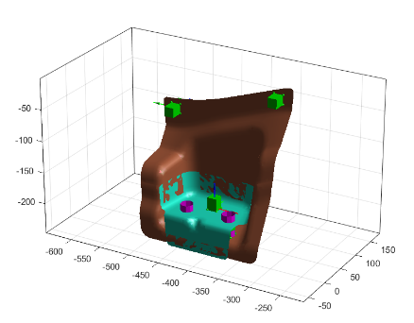

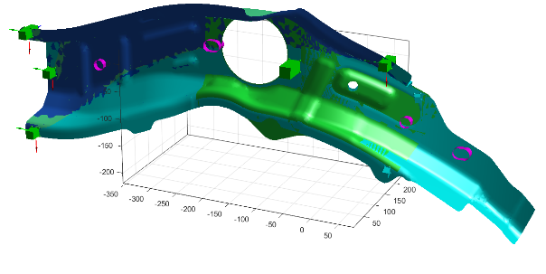

5

2
6
1
4

3

Pin Slot Layout
ID | Master | Domain (Master) | Point |  |  | Nm1 |  |  | Nm2 |  |  | Dir
 |  |  | X | Y | Z | X | Y | Z | X | Y | Z |  | Comments
1 | 3 | 3 | 212.37 | 149.08 | -117.44 | 0 | 1 | 0 | 0 | 0 | 1 | y
2 | 4 | 4 | -214 | 80 | 32 | 0 | 1 | 0 | 0 | 0 | 1 | y

2

1

NC block Layout
ID | Master | Domain (Master) | Point |  |  | Size (mm) | Dir
 |  |  | X | Y | Z |  |  | Comments
1 | 4 | 4 | -64 | 81 | 17 | 6 | Y

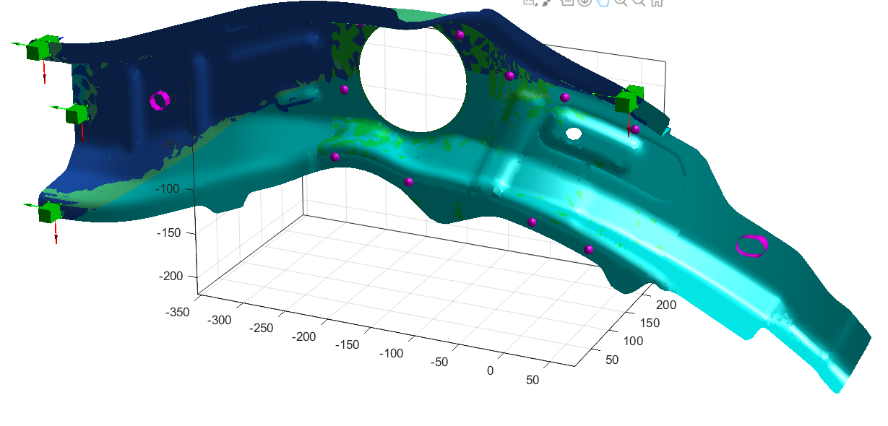

1

ClampS Layout
ID | Master | Domain (Master) | Point
 |  |  | X | Y | Z | NT |  |  | NM
1 | 1 | 1 | -335.39 | 85.17 | -21.68 | 1 | 0 | 0 | 0 | 1 | 0
2 | 1 | 1 | -507.12 | 85.17 | -71.04 | 1 | 0 | 0 | 0 | 1 | 0
3 | 1 | 1 | -380.63 | 19.02 | -194.9 | 1 | 0 | 0 | 0 | 0 | 1
4 | 1 | 1 | -450.71 | 19.02 | -223.94 | 1 | 0 | 0 | 0 | 0 | 1
5 | 2 | 2 | -416.77 | 40.93 | -195.99 | 1 | 0 | 0 | 0 | 0 | 1
6 | 3 | 3 | -531.58 | 1.67 | 34.41 | 1 | 0 | 0 | 0 | 1 | 0
7 | 3 | 3 | -538.8 | 81.37 | -64.77 | 1 | 0 | 0 | 0 | 1 | 0
8 | 3 | 3 | -528.41 | 1.67 | -149.95 | 1 | 0 | 0 | 0 | 1 | 0
9 | 3 | 3 | 97.13 | 86.51 | 42.34 | 1 | 0 | 0 | 0 | 1 | 0

6

2
1
9

7

4
5
3
8

ClampM Layout
 | Master | Slave | Domain (Master) | Domain (Slave) | Point
ID |  |  |  |  | X | Y | Z | NT |  |  | NM |  |  | Comments
1 | 3 | 4 | 3 | 4 | 135.62 | 132.43 | -25.3 | 1 | 0 | 0 | 0 | 1 | 0 | clamp
2 | 3 | 4 | 3 | 4 | 110.17 | 66.13 | -135.62 | 0 | 0 | 1 | 0 | 1 | 0 | clamp
3 | 1 | 2 | 1 | 2 | -442.05 | -6.98 | -235.62 | 0 | 0 | 1 | 0 | 1 | 0 | gun
4 | 1 | 2 | 1 | 2 | -388.04 | -6.98 | -236.96 | 0 | 0 | 1 | 0 | 1 | 0 | gun
5 | 1 | 2 | 1 | 2 | -481.06 | 18.37 | -177.49 | 0 | 0 | 1 | 1 | 0 | 0 | gun
6 | 1 | 2 | 1 | 2 | -447.77 | 68.84 | -176.59 | 0 | 0 | 1 | 0 | 1 | 0 | gun
7 | 1 | 2 | 1 | 2 | -477.96 | 40.39 | -177.49 | 0 | 0 | 1 | 1 | 0 | 0 | gun
8 | 1 | 2 | 1 | 2 | -392.51 | 68.84 | -176.06 | 0 | 0 | 1 | 0 | 1 | 0 | gun
9 | 1 | 2 | 1 | 2 | -358.88 | 49.37 | -178.62 | 0 | 0 | 1 | 1 | 0 | 0 | gun
10 | 1 | 2 | 1 | 2 | -350.63 | 27.02 | -178.14 | 0 | 0 | 1 | 1 | 0 | 0 | gun
11 | 3 | 4 | 3 | 4 | -196.03 | 79.97 | 84.42 | 0 | 0 | 1 | 0 | 1 | 0 | gun
12 | 3 | 4 | 3 | 4 | -215.86 | 79.97 | 8.11 | 0 | 0 | 1 | 0 | 1 | 0 | gun
13 | 3 | 4 | 3 | 4 | -30.36 | 81.74 | 49.24 | 0 | 0 | 1 | 0 | 1 | 0 | gun
14 | 3 | 4 | 3 | 4 | 24.35 | 96.5 | 29.68 | 0 | 0 | 1 | 0 | 1 | 0 | gun
15 | 3 | 4 | 3 | 4 | 92.28 | 118.66 | -1.68 | 0 | 0 | 1 | 0 | 1 | 0 | gun
16 | 3 | 4 | 3 | 4 | 67.99 | 58.22 | -114.5 | 0 | 0 | 1 | 0 | 1 | 0 | gun
17 | 3 | 4 | 3 | 4 | 9.1 | 50.21 | -91.65 | 0 | 0 | 1 | 0 | 1 | 0 | gun
18 | 3 | 4 | 3 | 4 | -124.95 | 42.73 | -66.99 | 0 | 0 | 1 | 0 | 1 | 0 | gun
19 | 3 | 4 | 3 | 4 | -85.09 | 79.97 | 85.82 | 0 | 0 | 1 | 0 | 1 | 0 | gun
20 | 3 | 4 | 3 | 4 | -209.04 | 42.67 | -52.89 | 0 | 0 | 1 | 0 | 1 | 0 | gun
21 | 1 | 3 | 1 | 3 | -335.39 | 85.17 | -21.68 | 0 | 0 | 1 | 0 | 1 | 0 | gun
22 | 1 | 3 | 1 | 3 | -426.43 | 85.17 | -49.23 | 0 | 0 | 1 | 0 | 1 | 0 | gun
23 | 1 | 3 | 1 | 3 | -507.12 | 85.17 | -71.04 | 0 | 0 | 1 | 0 | 1 | 0 | gun
24 | 1 | 3 | 1 | 3 | -330.27 | 70.09 | -58.37 | 1 | 0 | 0 | 0 | 1 | 0 | gun
25 | 1 | 3 | 1 | 3 | -510.16 | 74.4 | -116.13 | 1 | 0 | 0 | 0 | 1 | 0 | gun
26 | 1 | 3 | 1 | 3 | -323.9 | 28.17 | -114.09 | 0 | 0 | 1 | 0 | 1 | 0 | gun
27 | 1 | 3 | 1 | 3 | -508.65 | 35.46 | -134.92 | 1 | 0 | 0 | 0 | 0 | 1 | gun



1

2

Stitch Layout
Stich ID | Type | Master | Slave | Domain (Master) | Domain (Slave) | Point Start |  |  | Point End |  |  | Point Via
 |  |  |  |  |  | X | Y | Z | X | Y | Z | X | Y | Z
1 | 3 | 1 | 2 | 1 | 2 | -442.05 | -6.98 | -235.62
2 | 3 | 1 | 2 | 1 | 2 | -388.04 | -6.98 | -236.96
3 | 3 | 1 | 2 | 1 | 2 | -481.06 | 18.37 | -177.49
4 | 3 | 1 | 2 | 1 | 2 | -447.77 | 68.84 | -176.59
5 | 3 | 1 | 2 | 1 | 2 | -477.96 | 40.39 | -177.49
6 | 3 | 1 | 2 | 1 | 2 | -392.51 | 68.84 | -176.06
7 | 3 | 1 | 2 | 1 | 2 | -358.88 | 49.37 | -178.62
8 | 3 | 1 | 2 | 1 | 2 | -350.63 | 27.02 | -178.14
9 | 3 | 3 | 4 | 3 | 4 | -196.03 | 79.97 | 84.42
10 | 3 | 3 | 4 | 3 | 4 | -215.86 | 79.97 | 8.11
11 | 3 | 3 | 4 | 3 | 4 | -30.36 | 81.74 | 49.24
12 | 3 | 3 | 4 | 3 | 4 | 24.35 | 96.5 | 29.68
13 | 3 | 3 | 4 | 3 | 4 | 92.28 | 118.66 | -1.68
14 | 3 | 3 | 4 | 3 | 4 | 67.99 | 58.22 | -114.5
15 | 3 | 3 | 4 | 3 | 4 | 9.1 | 50.21 | -91.65
16 | 3 | 3 | 4 | 3 | 4 | -124.95 | 42.73 | -66.99
17 | 3 | 3 | 4 | 3 | 4 | -85.09 | 79.97 | 85.82
18 | 3 | 3 | 4 | 3 | 4 | -209.04 | 42.67 | -52.89
19 | 3 | 1 | 3 | 1 | 3 | -335.39 | 85.17 | -21.68
20 | 3 | 1 | 3 | 1 | 3 | -426.43 | 85.17 | -49.23
21 | 3 | 1 | 3 | 1 | 3 | -507.12 | 85.17 | -71.04
22 | 3 | 1 | 3 | 1 | 3 | -330.27 | 70.09 | -58.37
23 | 3 | 1 | 3 | 1 | 3 | -510.16 | 74.4 | -116.13
24 | 3 | 1 | 3 | 1 | 3 | -323.9 | 28.17 | -114.09
25 | 3 | 1 | 3 | 1 | 3 | -508.65 | 35.46 | -134.92

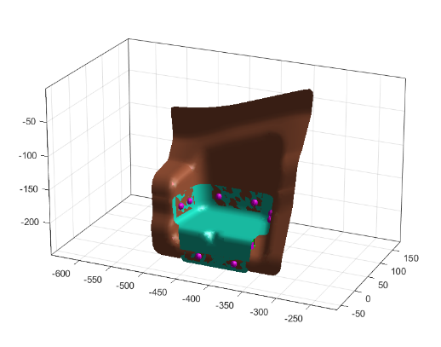

4
7
3
5
6
8

1
2

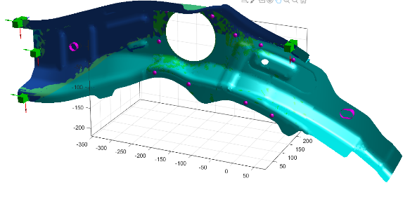
17
9
11
12

10
13

18
16

15
14

17
9
11
12

10
13

18
16

15
14

Part_Variation_Points
ID | Master | Point |  |  | Length |  |  | NC
 |  | X | Y | Z | X | Y | Z | X | Y | Z
1 | 1 | -348.92 | 83.17 | -41.71 | 200 | 75 | 75 | 1 | 1 | 1
2 | 1 | -486.17 | 83.17 | -94.02 | 200 | 75 | 75 | 1 | 1 | 1
3 | 1 | -349.95 | -1.77 | -222.79 | 200 | 75 | 100 | 1 | 1 | 1
4 | 1 | -484.15 | -8.89 | -224.42 | 200 | 75 | 75 | 1 | 1 | 1
5 | 2 | -366.53 | -10.93 | -242.68 | 100 | 50 | 50 | 1 | 1 | 1
6 | 2 | -469.44 | -10.93 | -252.47 | 100 | 50 | 50 | 1 | 1 | 1
7 | 2 | -476.34 | 53.29 | -175.21 | 100 | 50 | 50 | 1 | 1 | 1
8 | 2 | -360.02 | 53.65 | -175.3 | 100 | 50 | 50 | 1 | 1 | 1
9 | 3 | -548.71 | 3.47 | 30.91 | 600 | 200 | 400 | 1 | 1 | 1
10 | 3 | -519.2 | 1.67 | -142.95 | 600 | 200 | 400 | 1 | 1 | 1
11 | 3 | 275.96 | 158.07 | -142.06 | 600 | 200 | 400 | 1 | 1 | 1
12 | 3 | -83.55 | 46.74 | -63.75 | 150 | 200 | 400 | 0 | 1 | 0
13 | 4 | -181.43 | 44.07 | -47.34 | 200 | 200 | 100 | 1 | 1 | 1
14 | 4 | -227.53 | 81.37 | 85.34 | 200 | 200 | 100 | 1 | 1 | 1
15 | 4 | 137.7 | 133.51 | -38.79 | 200 | 200 | 100 | 1 | 1 | 1
16 | 4 | 87.33 | 62.48 | -135.92 | 200 | 200 | 100 | 1 | 1 | 1
17 | 4 | -96.12 | 43.44 | -84.36 | 60 | 60 | 60 | 0 | 1 | 0

14
1
2
9
15

13
12
17

10
16
7
11
8

4
6
3
5

